Sheet1
Test Scenario ID | Launch_01 |  | Test Case ID | Login_Android_01
Test Case Description | Launch the application_Negative_Music Festival_123 |  | Test Case Priority | High
Pre-Requisite | A valid Lablel and Record Name Screen |  | Post-Requisite | NA
Test Execution Steps:
1. Checked the code and opened the source code in android studio
2. Build the .apk file and installed the application in android studio
3. Open the application and compared the screen data with the json.
S.No | Action | Inputs | Expected Output | Actual Output | Test Browser | Test Results | Test Comments
1 | Launch the application | Empty json response | "There is no data or error page should be displayed" | Java exception error was displayed | Android Emulator | Fail | [Vadivukkarasi 25/06/2024 9.00 PM]: | 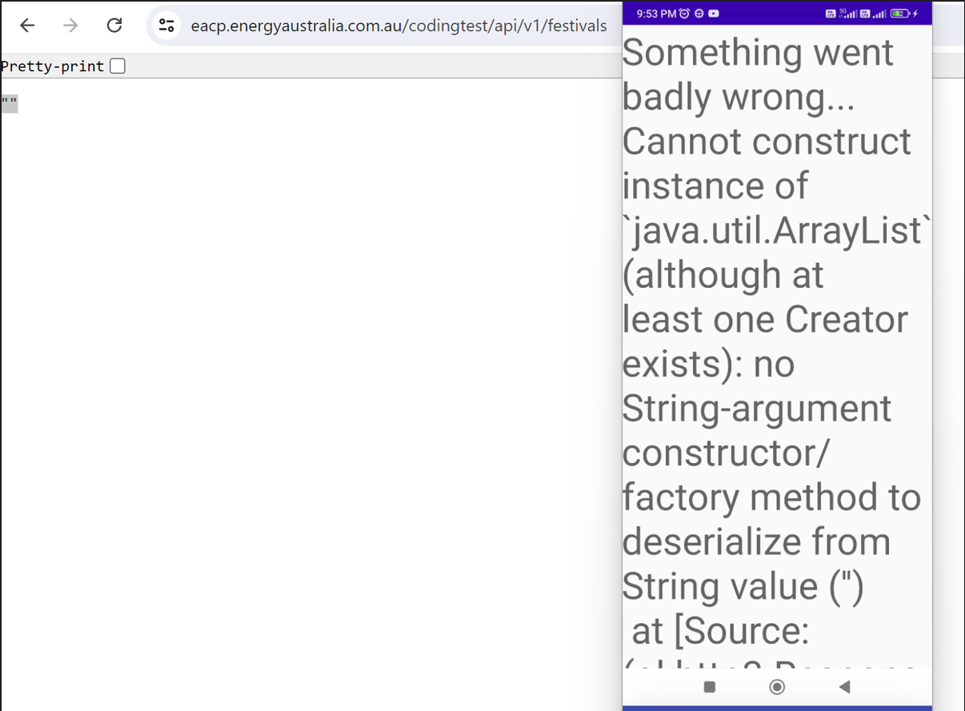
2 | Launch the application | Valid json response | Loader screen should be displayed | Loader screen was not displayed | Android Emulator | Fail | [Vadivukkarasi 25/06/2024 9.45 PM]:
3 | Launch the application | Valid json response | Title bar should display as per the requirement | Title bard was not displaued | Android Emulator | Fail | [Vadivukkarasi 25/06/2024 10.00 PM]:
4 | Launch the application | Valid json response | Close/Back Navigation buttons should be displayed as expected | Close/Back Navigation buttons was not displayed | Android Emulator | Fail | [Vadivukkarasi 25/06/2024 10:15 PM]:
5 | Validate the UI | Valid json response | Margin and UI should display as per the requirement | UI was displayed incorrectly | Android Emulator | Fail | [Vadivukkarasi 25/06/2024 10.30 PM]:
6 | Validate the accessibility | Valid json response | Voice accessibility should read the Festival brand name and Festival name separetly | Voice accessibility spoke simulatenously | Android Emulator | Fail | [Vadivukkarasi 25/06/2024 10.45 PM]:

